Mud Pump Belt Design
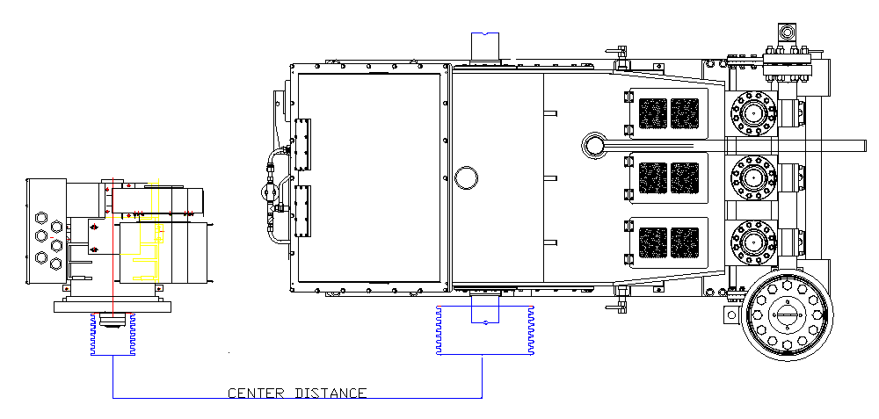
 | Mud Pump Drive Calculator |  |  |  |  |  |  |  |  | PH 780 986 9695

Engine/Motor RPM | 1950 | (Enter Actual RUNNING rpm)
Gear Box Ratio | 0.5 | (Enter percent in decimal, or enter 1 if no gearbox) |  |  |  |  |  | (Eg: PacRim X2R, Rouse MPD2.1 = 0.5)
Driven Rpm | 975
 |  |  |  | TSC | TSC | BOMCO | BOMCO | GD | GD | Lewco
 |  |  | Pump Model | WF1300 | WF1600 | F1000 | F1300/1600 | PZ9 | PZ10/11 | WH1612
 |  |  | Pump Gear Ratio | 4.67 | 4.613 | 4.206 | 4.206 | 4.48 | 4.38 | 4.41
 |  |  | Max Rated SPM | 130 | 120 | 140 | 120 | 130 | 115 | 120
Pinion RPM | Belt Drive Ratio | Driver | Driven | SPM | SPM | SPM | SPM | SPM | SPM | SPM | Rim Speed
438 | 0.449 | 20 | 44.5 | 94 | 95 | 104 | 104 | 98 | 100 | 99 | 5070
464 | 0.476 | 21.2 | 44.5 | 99 | 101 | 110 | 110 | 104 | 106 | 105 | 5374.2
488 | 0.500 | 20 | 40 | 104 | 106 | 116 | 116 | 109 | 111 | 111 | 5070
491 | 0.503 | 22.4 | 44.5 | 105 | 106 | 117 | 117 | 110 | 112 | 111 | 5678.4
517 | 0.530 | 21.2 | 40 | 111 | 112 | 123 | 123 | 115 | 118 | 117 | 5374.2
526 | 0.539 | 24 | 44.5 | 113 | 114 | 125 | 125 | 117 | 120 | 119 | 6084
543 | 0.557 | 24.8 | 44.5 | 116 | 118 | 129 | 129 | 121 | 124 | 123 | 6286.8
546 | 0.560 | 22.4 | 40 | 117 | 118 | 130 | 130 | 122 | 125 | 124 | 5678.4
582 | 0.597 | 21.2 | 35.5 | 125 | 126 | 138 | 138 | 130 | 133 | 132 | 5374.2
605 | 0.620 | 24.8 | 40 | 129 | 131 | 144 | 144 | 135 | 138 | 137 | 6286.8
615 | 0.631 | 22.4 | 35.5 | 132 | 133 | 146 | 146 | 137 | 140 | 140 | 5678.4
681 | 0.699 | 24.8 | 35.5 | 146 | 148 | 162 | 162 | 152 | 156 | 154 | 6286.8

Notes
Belt HP: | 8V = 100Hp/Rib @ 1.2sf |  | Rim Speeds: | Cast | <6000 FPM
 | 8VK = 185Hp/Rib @ 1.2sf |  |  | Ductile | 6000-8500FPM
 |  |  |  | Steel | >8500FPM

Belt Center Distance
Driver | Driven | 8V2800 | 3000 | 3150 | 3350 | 3550 | 3750 | 4000 | 4250 | 4500 | 4750
Sheave OD | Sheave OD | CD " | CD " | CD " | CD " | CD " | CD " | CD " | CD " | CD " | CD "
20 | 40 | 92.33 | 102.39 | 109.92 | 119.96 | 129.99 | 140.02 | 152.55 | 165.07 | 177.59 | 190.11
21.2 | 40 | 91.45 | 101.5 | 109.03 | 119.06 | 129.09 | 139.12 | 151.64 | 164.16 | 176.68 | 189.2
24 | 44.5 | 84.6 | 94.66 | 102.2 | 112.24 | 122.28 | 132.31 | 144.84 | 157.36 | 169.89 | 182.41
24.8 | 44.5 | 85 | 95.06 | 102.6 | 112.64 | 122.68 | 132.71 | 145.24 | 157.76 | 170.29 | 182.81
22.4 | 40 | 90.56 | 100.61 | 108.13 | 118.16 | 128.19 | 138.21 | 150.73 | 163.25 | 175.77 | 188.29
21.2 | 35.5 | 95.2 | 105.22 | 112.74 | 122.76 | 132.78 | 142.79 | 155.3 | 167.82 | 180.33 | 192.84
24.8 | 40 | 88.78 | 98.81 | 106.33 | 116.36 | 126.38 | 136.39 | 148.91 | 161.43 | 173.94 | 186.45
22.4 | 35.5 | 94.3 | 104.32 | 111.83 | 121.85 | 131.86 | 141.87 | 154.39 | 166.9 | 179.41 | 191.91
24.8 | 35.5 | 92.49 | 102.5 | 110.01 | 120.03 | 130.04 | 140.05 | 152.57 | 165.08 | 177.59 | 190.09 | -1.82

